Summary
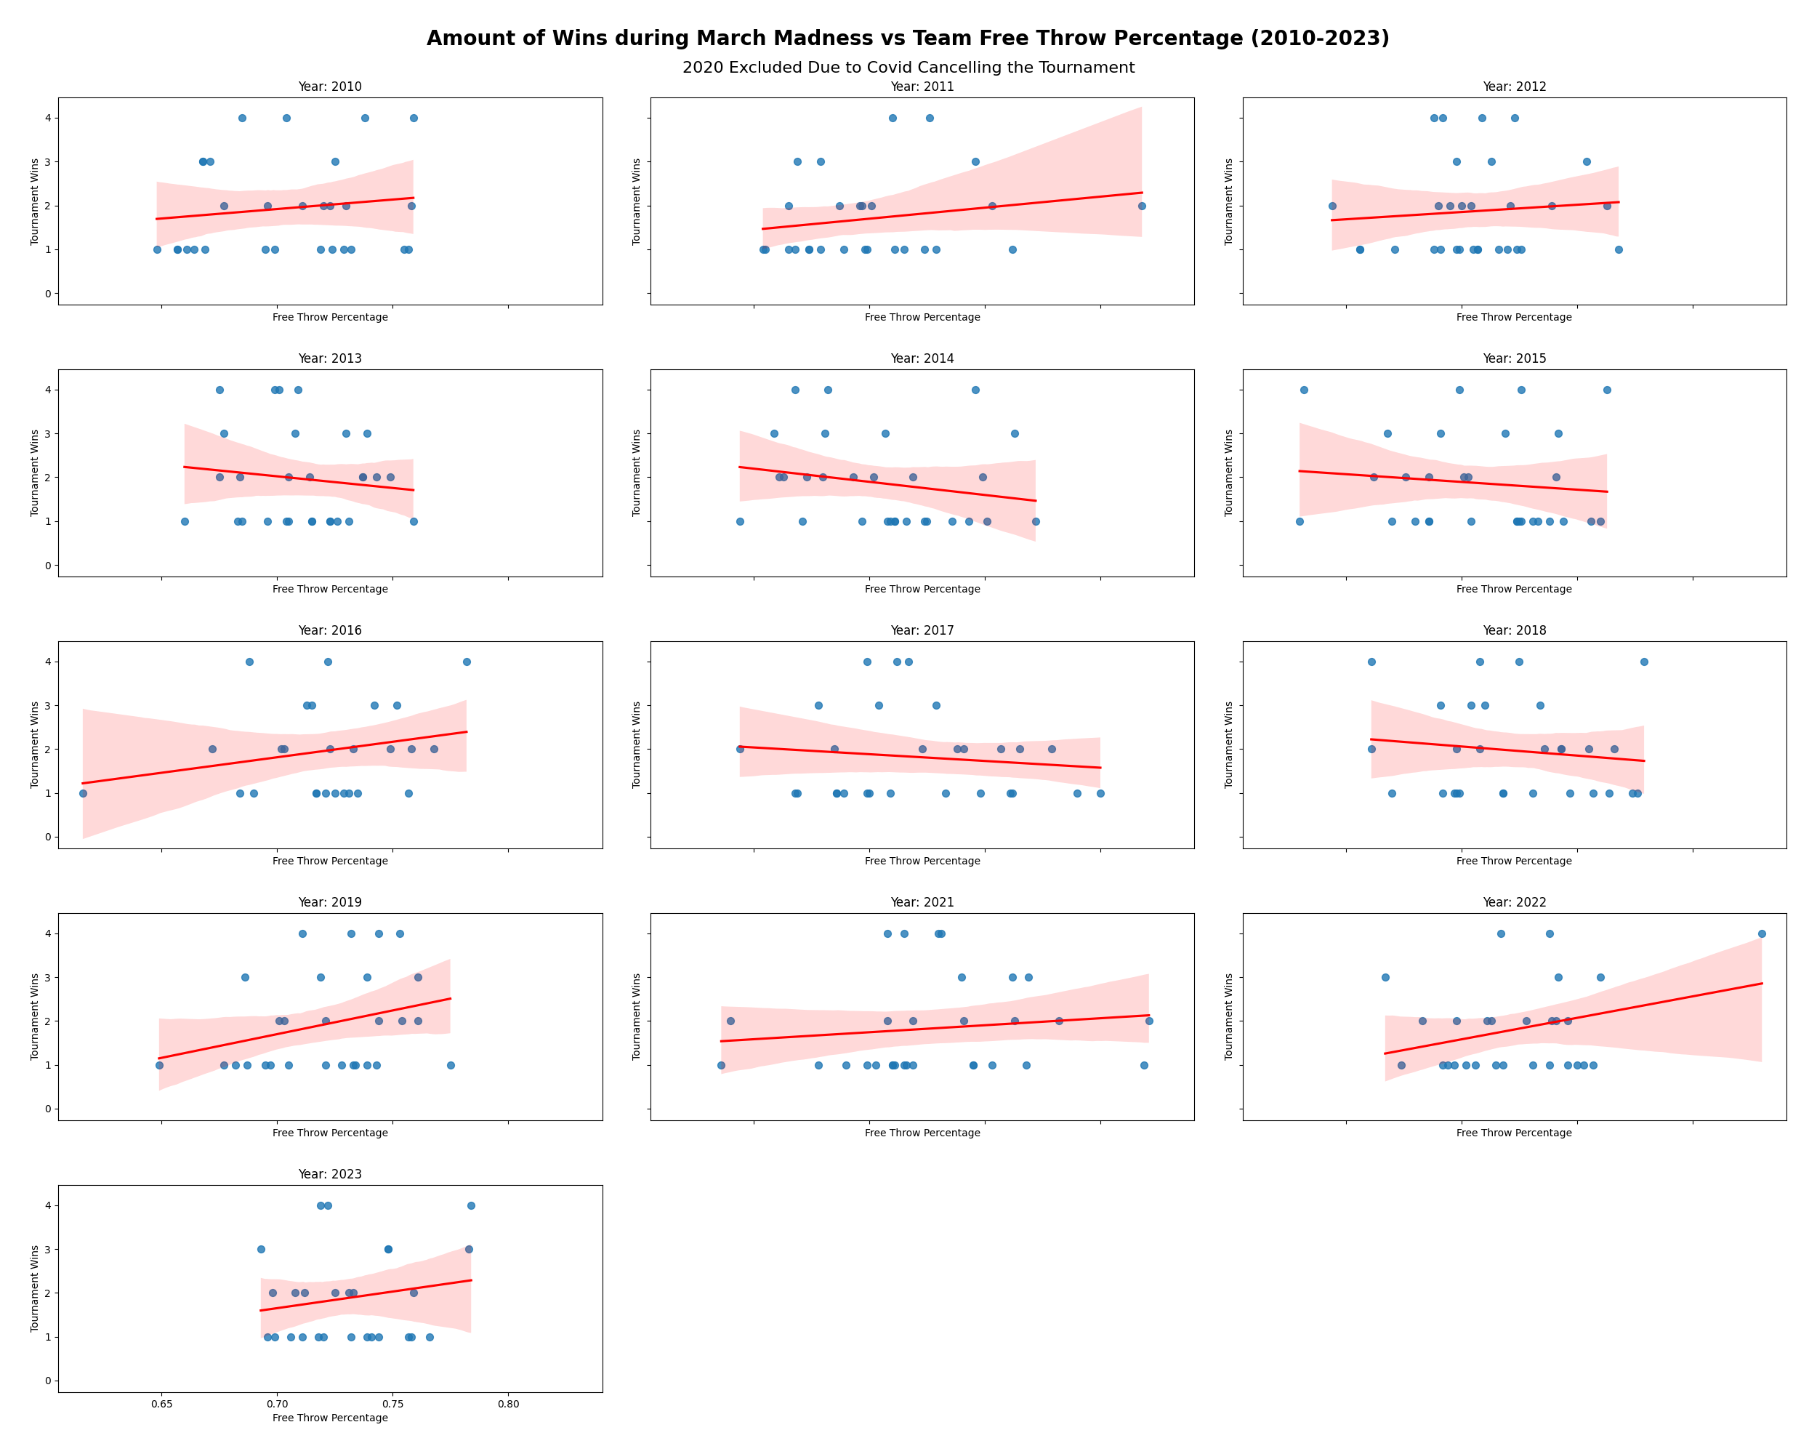
TEAM | YEAR | FTM | FTA | FT_PCT | WINS
Baylor | 2010 | 530 | 731 | 0.725 | 3
Butler | 2010 | 661 | 896 | 0.738 | 4
California | 2010 | 543 | 717 | 0.757 | 1
Cornell | 2010 | 393 | 538 | 0.73 | 2
Duke | 2010 | 682 | 899 | 0.759 | 4
Georgia Tech | 2010 | 512 | 779 | 0.657 | 1
Gonzaga | 2010 | 608 | 916 | 0.664 | 1
Kansas | 2010 | 609 | 871 | 0.699 | 1
Kansas State | 2010 | 734 | 1098 | 0.668 | 3
Kentucky | 2010 | 649 | 971 | 0.668 | 3
Maryland | 2010 | 502 | 689 | 0.729 | 1
Michigan State | 2010 | 523 | 764 | 0.685 | 4
Missouri | 2010 | 517 | 714 | 0.724 | 1
Murray State | 2010 | 571 | 821 | 0.695 | 1
New Mexico | 2010 | 608 | 909 | 0.669 | 1
Northern Iowa | 2010 | 489 | 645 | 0.758 | 2
Ohio | 2010 | 635 | 883 | 0.719 | 1
Ohio State | 2010 | 498 | 716 | 0.696 | 2
Old Dominion | 2010 | 405 | 625 | 0.648 | 1
Purdue | 2010 | 546 | 755 | 0.723 | 2
Syracuse | 2010 | 504 | 745 | 0.677 | 2
Tennessee | 2010 | 520 | 775 | 0.671 | 3
Texas A&M | 2010 | 590 | 892 | 0.661 | 1
Villanova | 2010 | 650 | 861 | 0.755 | 1
Wake Forest | 2010 | 501 | 762 | 0.657 | 1
Washington | 2010 | 652 | 905 | 0.72 | 2
West Virginia | 2010 | 611 | 868 | 0.704 | 4
Wisconsin | 2010 | 416 | 568 | 0.732 | 1
Xavier | 2010 | 621 | 873 | 0.711 | 2
Arizona | 2011 | 671 | 899 | 0.746 | 3
Butler | 2011 | 580 | 799 | 0.726 | 4
Cincinnati | 2011 | 496 | 742 | 0.668 | 1
Duke | 2011 | 622 | 826 | 0.753 | 2
Florida | 2011 | 498 | 744 | 0.669 | 3
Florida State | 2011 | 482 | 725 | 0.665 | 2
George Mason | 2011 | 495 | 718 | 0.689 | 1
Gonzaga | 2011 | 617 | 810 | 0.762 | 1
Illinois | 2011 | 393 | 539 | 0.729 | 1
Kansas | 2011 | 585 | 862 | 0.679 | 3
Kansas State | 2011 | 542 | 828 | 0.655 | 1
Kentucky | 2011 | 560 | 789 | 0.71 | 4
Marquette | 2011 | 645 | 927 | 0.696 | 2
Michigan | 2011 | 351 | 502 | 0.699 | 1
Morehead State | 2011 | 506 | 751 | 0.674 | 1
Notre Dame | 2011 | 599 | 827 | 0.724 | 1
Ohio State | 2011 | 535 | 763 | 0.701 | 2
Purdue | 2011 | 481 | 673 | 0.715 | 1
Richmond | 2011 | 446 | 649 | 0.687 | 2
San Diego State | 2011 | 455 | 653 | 0.697 | 2
Syracuse | 2011 | 474 | 713 | 0.665 | 1
Temple | 2011 | 458 | 656 | 0.698 | 1
Texas | 2011 | 592 | 905 | 0.654 | 1 | R-Squared | Intercept | Slope
UCLA | 2011 | 549 | 808 | 0.679 | 1 | 0.0039 | 0.5333 | 1.8797
Washington | 2011 | 480 | 712 | 0.674 | 1
West Virginia | 2011 | 531 | 747 | 0.711 | 1 | See how well the model did compared to actual results
Wisconsin | 2011 | 436 | 533 | 0.818 | 2 | Team | Year
Baylor | 2012 | 572 | 759 | 0.754 | 3 | Baylor | 2017
Cincinnati | 2012 | 414 | 643 | 0.644 | 2 | Expected Wins | Actual Wins
Colorado | 2012 | 560 | 810 | 0.691 | 1 | 1.892 | 2
Creighton | 2012 | 535 | 737 | 0.726 | 1
Florida | 2012 | 499 | 700 | 0.713 | 3
Florida State | 2012 | 473 | 669 | 0.707 | 1 | Enter the FT Percentage of a team from this year and see how many games they will win
Georgetown | 2012 | 470 | 673 | 0.698 | 1 | Enter FT % as a decimal (75% = .750)
Gonzaga | 2012 | 575 | 803 | 0.716 | 1 | Team FT Percentage | Predicted Wins
Indiana | 2012 | 655 | 858 | 0.763 | 2 | 0.5 | 1.473189022
Iowa State | 2012 | 503 | 731 | 0.688 | 1
Kansas | 2012 | 597 | 863 | 0.692 | 4
Kansas State | 2012 | 536 | 799 | 0.671 | 1
Kentucky | 2012 | 678 | 938 | 0.723 | 4
Lehigh | 2012 | 590 | 768 | 0.768 | 1
Louisville | 2012 | 568 | 826 | 0.688 | 4
Marquette | 2012 | 599 | 831 | 0.721 | 2
Michigan State | 2012 | 531 | 759 | 0.7 | 2
Murray State | 2012 | 551 | 761 | 0.724 | 1
NC State | 2012 | 545 | 774 | 0.704 | 2
New Mexico | 2012 | 529 | 748 | 0.707 | 1
Norfolk State | 2012 | 544 | 829 | 0.656 | 1
Ohio | 2012 | 517 | 749 | 0.69 | 2
Ohio State | 2012 | 600 | 846 | 0.709 | 4
Purdue | 2012 | 452 | 689 | 0.656 | 1
Saint Louis | 2012 | 470 | 653 | 0.72 | 1
South Florida | 2012 | 421 | 597 | 0.705 | 1
Syracuse | 2012 | 495 | 709 | 0.698 | 3
Vanderbilt | 2012 | 538 | 770 | 0.699 | 1
Wisconsin | 2012 | 425 | 575 | 0.739 | 2
Xavier | 2012 | 569 | 819 | 0.695 | 2
Arizona | 2013 | 541 | 722 | 0.749 | 2
Butler | 2013 | 518 | 744 | 0.696 | 1
California | 2013 | 418 | 585 | 0.715 | 1
Colorado State | 2013 | 611 | 855 | 0.715 | 1
Creighton | 2013 | 489 | 644 | 0.759 | 1
Duke | 2013 | 588 | 796 | 0.739 | 3
Florida | 2013 | 422 | 623 | 0.677 | 3
Florida Gulf Coast | 2013 | 497 | 736 | 0.675 | 2
Gonzaga | 2013 | 548 | 777 | 0.705 | 1
Harvard | 2013 | 504 | 697 | 0.723 | 1
Illinois | 2013 | 469 | 646 | 0.726 | 1
Indiana | 2013 | 672 | 904 | 0.743 | 2
Iowa State | 2013 | 509 | 696 | 0.731 | 1
Kansas | 2013 | 596 | 809 | 0.737 | 2
La Salle | 2013 | 446 | 605 | 0.737 | 2
Louisville | 2013 | 652 | 920 | 0.709 | 4
Marquette | 2013 | 551 | 755 | 0.73 | 3
Memphis | 2013 | 509 | 771 | 0.66 | 1
Miami (FL) | 2013 | 465 | 680 | 0.684 | 2
Michigan | 2013 | 450 | 642 | 0.701 | 4
Michigan State | 2013 | 507 | 710 | 0.714 | 2
Minnesota | 2013 | 523 | 764 | 0.685 | 1
Ohio State | 2013 | 516 | 729 | 0.708 | 3
Oregon | 2013 | 570 | 809 | 0.705 | 2
Saint Louis | 2013 | 562 | 798 | 0.704 | 1
San Diego State | 2013 | 476 | 697 | 0.683 | 1
Syracuse | 2013 | 569 | 843 | 0.675 | 4
Temple | 2013 | 511 | 707 | 0.723 | 1
Wichita State | 2013 | 553 | 791 | 0.699 | 4
Arizona | 2014 | 573 | 870 | 0.659 | 3
Baylor | 2014 | 645 | 949 | 0.68 | 2
Creighton | 2014 | 486 | 654 | 0.743 | 1
Dayton | 2014 | 558 | 819 | 0.681 | 3
Florida | 2014 | 582 | 871 | 0.668 | 4
Gonzaga | 2014 | 562 | 793 | 0.709 | 1
Harvard | 2014 | 587 | 811 | 0.724 | 1
Iowa State | 2014 | 564 | 814 | 0.693 | 2
Kansas | 2014 | 665 | 935 | 0.711 | 1
Kentucky | 2014 | 781 | 1146 | 0.682 | 4
Louisville | 2014 | 608 | 920 | 0.661 | 2
Memphis | 2014 | 516 | 801 | 0.644 | 1
Mercer | 2014 | 582 | 791 | 0.736 | 1
Michigan | 2014 | 527 | 691 | 0.763 | 3
Michigan State | 2014 | 515 | 728 | 0.707 | 3
North Dakota State | 2014 | 540 | 719 | 0.751 | 1
Oregon | 2014 | 668 | 865 | 0.772 | 1
Saint Louis | 2014 | 526 | 755 | 0.697 | 1
San Diego State | 2014 | 598 | 902 | 0.663 | 2
Stanford | 2014 | 616 | 877 | 0.702 | 2
Stephen F. Austin | 2014 | 569 | 800 | 0.711 | 1
Syracuse | 2014 | 506 | 715 | 0.708 | 1
Tennessee | 2014 | 613 | 852 | 0.719 | 2
Texas | 2014 | 610 | 909 | 0.671 | 1
UCLA | 2014 | 628 | 839 | 0.749 | 2
Villanova | 2014 | 607 | 848 | 0.716 | 1
Virginia | 2014 | 533 | 792 | 0.673 | 2
Wichita State | 2014 | 664 | 916 | 0.725 | 1
Wisconsin | 2014 | 642 | 861 | 0.746 | 4
Arizona | 2015 | 700 | 974 | 0.719 | 3
Arkansas | 2015 | 593 | 819 | 0.724 | 1
Butler | 2015 | 526 | 767 | 0.686 | 1
Cincinnati | 2015 | 424 | 633 | 0.67 | 1
Dayton | 2015 | 580 | 846 | 0.686 | 1
Duke | 2015 | 610 | 873 | 0.699 | 4
Georgetown | 2015 | 541 | 769 | 0.704 | 1
Georgia State | 2015 | 521 | 719 | 0.725 | 1
Gonzaga | 2015 | 557 | 806 | 0.691 | 3
Iowa | 2015 | 538 | 723 | 0.744 | 1
Kansas | 2015 | 610 | 842 | 0.724 | 1
Kentucky | 2015 | 685 | 943 | 0.726 | 4
Louisville | 2015 | 529 | 792 | 0.668 | 3
Maryland | 2015 | 597 | 790 | 0.756 | 1
Michigan State | 2015 | 451 | 714 | 0.632 | 4
NC State | 2015 | 499 | 727 | 0.686 | 2
Northern Iowa | 2015 | 472 | 644 | 0.733 | 1
Notre Dame | 2015 | 561 | 756 | 0.742 | 3
Ohio State | 2015 | 471 | 693 | 0.68 | 1
Oklahoma | 2015 | 495 | 668 | 0.741 | 2
Oregon | 2015 | 466 | 613 | 0.76 | 1
San Diego State | 2015 | 437 | 694 | 0.63 | 1
UAB | 2015 | 528 | 715 | 0.738 | 1
UCLA | 2015 | 507 | 750 | 0.676 | 2
Utah | 2015 | 534 | 760 | 0.703 | 2
Villanova | 2015 | 596 | 815 | 0.731 | 1
Virginia | 2015 | 446 | 614 | 0.726 | 1
West Virginia | 2015 | 571 | 863 | 0.662 | 2
Wichita State | 2015 | 501 | 715 | 0.701 | 2
Wisconsin | 2015 | 584 | 765 | 0.763 | 4
Butler | 2016 | 566 | 774 | 0.731 | 1
Duke | 2016 | 626 | 866 | 0.723 | 2
Gonzaga | 2016 | 537 | 708 | 0.758 | 2
Hawaii | 2016 | 597 | 873 | 0.684 | 1
Indiana | 2016 | 504 | 688 | 0.733 | 2
Iowa | 2016 | 480 | 669 | 0.717 | 1
Iowa State | 2016 | 395 | 563 | 0.702 | 2
Kansas | 2016 | 601 | 843 | 0.713 | 3
Kentucky | 2016 | 561 | 813 | 0.69 | 1
Little Rock | 2016 | 449 | 616 | 0.729 | 1
Maryland | 2016 | 572 | 745 | 0.768 | 2
Miami (FL) | 2016 | 578 | 772 | 0.749 | 2
Middle Tennessee | 2016 | 442 | 718 | 0.616 | 1
Northern Iowa | 2016 | 479 | 633 | 0.757 | 1
Notre Dame | 2016 | 498 | 671 | 0.742 | 3
Oklahoma | 2016 | 530 | 734 | 0.722 | 4
Oregon | 2016 | 648 | 906 | 0.715 | 3
Providence | 2016 | 566 | 781 | 0.725 | 1
Stephen F. Austin | 2016 | 515 | 701 | 0.735 | 1
Syracuse | 2016 | 506 | 736 | 0.688 | 4
Texas A&M | 2016 | 565 | 841 | 0.672 | 2
Utah | 2016 | 551 | 764 | 0.721 | 1
Villanova | 2016 | 599 | 766 | 0.782 | 4
Virginia | 2016 | 474 | 630 | 0.752 | 3
Wichita State | 2016 | 551 | 768 | 0.717 | 1
Wisconsin | 2016 | 512 | 728 | 0.703 | 2
Arizona | 2017 | 635 | 830 | 0.765 | 2
Arkansas | 2017 | 628 | 825 | 0.761 | 1
Baylor | 2017 | 478 | 661 | 0.723 | 2
Butler | 2017 | 522 | 704 | 0.741 | 2
Cincinnati | 2017 | 472 | 688 | 0.686 | 1
Duke | 2017 | 642 | 842 | 0.762 | 1
Florida | 2017 | 620 | 851 | 0.729 | 3
Florida State | 2017 | 568 | 824 | 0.689 | 1
Gonzaga | 2017 | 638 | 890 | 0.717 | 4
Iowa State | 2017 | 423 | 604 | 0.7 | 1
Kansas | 2017 | 535 | 789 | 0.678 | 3
Kentucky | 2017 | 690 | 980 | 0.704 | 3
Louisville | 2017 | 486 | 708 | 0.686 | 1
Michigan | 2017 | 486 | 624 | 0.779 | 2
Michigan State | 2017 | 432 | 646 | 0.669 | 1
Middle Tennessee | 2017 | 441 | 631 | 0.699 | 1
Northwestern | 2017 | 477 | 638 | 0.748 | 1
Notre Dame | 2017 | 489 | 611 | 0.8 | 1
Oregon | 2017 | 560 | 787 | 0.712 | 4
Purdue | 2017 | 515 | 680 | 0.757 | 2
Rhode Island | 2017 | 528 | 791 | 0.668 | 1
South Carolina | 2017 | 611 | 874 | 0.699 | 4
UCLA | 2017 | 459 | 622 | 0.738 | 2
Villanova | 2017 | 538 | 681 | 0.79 | 1
Virginia | 2017 | 336 | 474 | 0.709 | 1
West Virginia | 2017 | 621 | 907 | 0.685 | 2
Wichita State | 2017 | 622 | 848 | 0.733 | 1
Wisconsin | 2017 | 453 | 703 | 0.644 | 2
Alabama | 2018 | 555 | 828 | 0.67 | 1
Auburn | 2018 | 647 | 836 | 0.774 | 1
Buffalo | 2018 | 486 | 695 | 0.699 | 1
Butler | 2018 | 436 | 562 | 0.776 | 1
Cincinnati | 2018 | 523 | 756 | 0.692 | 1
Clemson | 2018 | 498 | 660 | 0.755 | 2
Duke | 2018 | 562 | 791 | 0.71 | 3
Florida | 2018 | 483 | 673 | 0.718 | 1
Florida State | 2018 | 543 | 786 | 0.691 | 3
Gonzaga | 2018 | 513 | 725 | 0.708 | 2
Houston | 2018 | 484 | 674 | 0.718 | 1
Kansas | 2018 | 453 | 640 | 0.708 | 4
Kansas State | 2018 | 502 | 684 | 0.734 | 3
Kentucky | 2018 | 649 | 930 | 0.698 | 2
Loyola (IL) | 2018 | 454 | 626 | 0.725 | 4
Marshall | 2018 | 571 | 747 | 0.764 | 1
Michigan | 2018 | 474 | 717 | 0.661 | 4
Michigan State | 2018 | 535 | 716 | 0.747 | 1
Nevada | 2018 | 603 | 812 | 0.743 | 2
Ohio State | 2018 | 450 | 616 | 0.731 | 1
Purdue | 2018 | 555 | 747 | 0.743 | 2
Rhode Island | 2018 | 439 | 630 | 0.697 | 1
Seton Hall | 2018 | 509 | 729 | 0.698 | 1
Syracuse | 2018 | 594 | 807 | 0.736 | 2
Tennessee | 2018 | 541 | 715 | 0.757 | 1
Texas A&M | 2018 | 449 | 679 | 0.661 | 2
Texas Tech | 2018 | 579 | 823 | 0.704 | 3
Villanova | 2018 | 559 | 718 | 0.779 | 4
West Virginia | 2018 | 570 | 744 | 0.766 | 2
Auburn | 2019 | 540 | 760 | 0.711 | 4
Baylor | 2019 | 430 | 635 | 0.677 | 1
Buffalo | 2019 | 527 | 767 | 0.687 | 1
...

